FE Screen
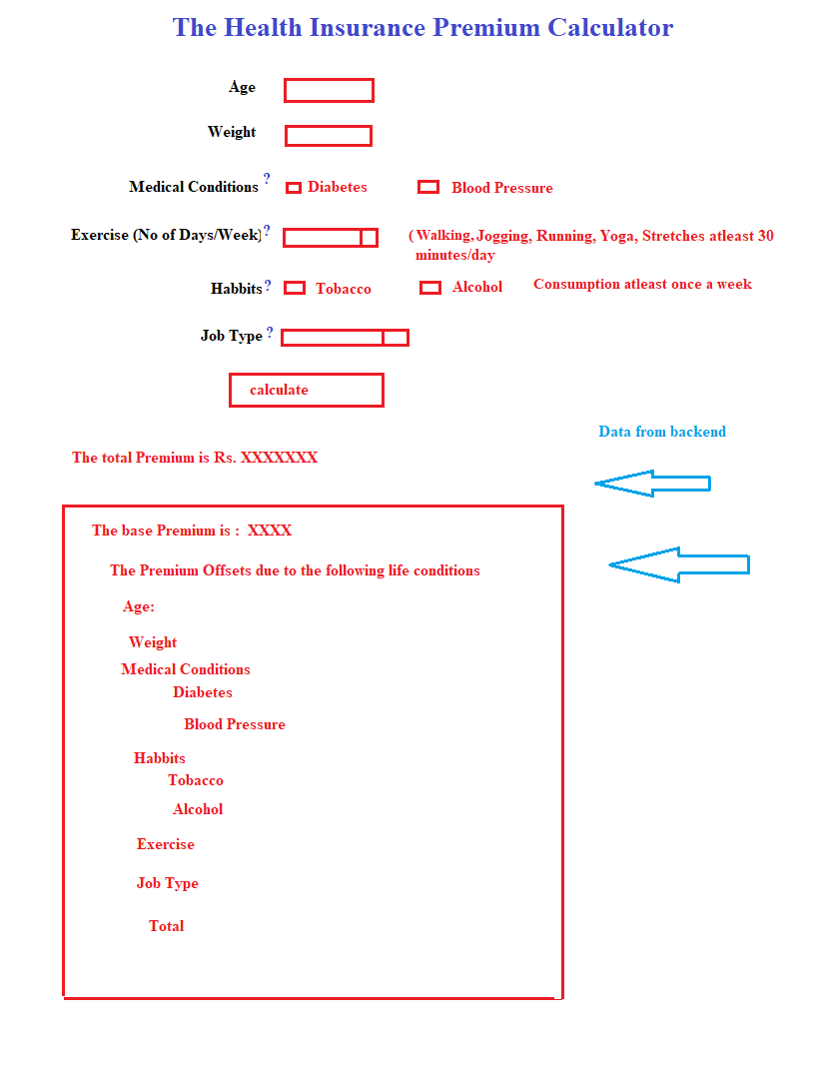
Help Text

Medical Conditions | Certain chronic diseases require frequent medical attention and hence, increasing the cost of treatment
Exercise (No of Days/week) | A lifestyle with a recommended weekly exercise activity improves metabolism and keeps certain diseases away. Hence, the higher the exercise activity, the lower the premium
Habbits | Addictions (Consumption at least once a week ) such as these have an adverse effect on the body and hence, such an individual may be prone to frequent diseases and hospitalizations
Job Type | Certain professions involve higher stress than the others. Hence, requiring more frequent medical attention.

